Sheet1
** For education only

CRR European/American Option Value
INPUT
Share price (S) |  |  | 70.00 |  | Cox, Ross & Rubinstein
Exercise price (X) |  |  | 80.00
risk free rate (r) continuous |  |  | 12.00% | rate | ∆t | 0.12500 | delta t
Option life (T, years) |  |  | 0.25 |  | DF node | 0.98511 | DF = e -rΔt
Volatility (s) |  |  | 20.00% | vol | u | 1.07327
Steps in tree (n) |  |  | 2 |  | d | 0.93173
option type (Call or Put) |  |  | Call |  | p | 0.58911

OUTPUT
Share Value
Node -> | 0 | 1 | 2
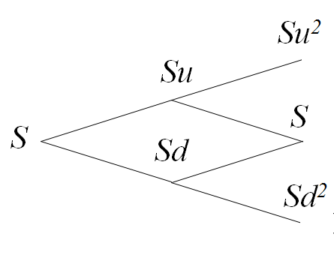
 | 70.00 | 75.13 | 80.63
 |  | 65.22 | 70.00
 |  |  | 60.77

European Call Option Value
Node -> | 0 | 1 | 2
 | 0.21 | 0.37 | 0.63 |  | MAX (S-X,0)
 |  | 0.00 | 0.00
 |  |  | 0.00

European Put Option Value
Node -> | 0 | 1 | 2
 | 7.85 | 4.05 | 0.00 |  | MAX (X-S,0)
 |  | 13.59 | 10.00
 |  |  | 19.23

Put Call Parity - Validation
Call | 0.21 | 0.21 | C
Put | 7.85
Stock | 70
Xe-rt | 77.635642684 | 0.21 | P + S - Xe-rT

 | P-C Parity Checking | 0.00

